Sheet1
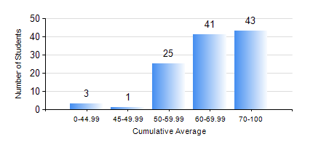
 |  |  | KWAME NKRUMAH UNIVERSITY OF SCIENCE AND TECHNOLOGY, KUMASI Department of Petroleum Engineering

 |  |  | BSC. PETROLEUM ENG.

 |  |  | COMPREHENSIVE RECORD OF EXAMINATION RESULTS

 |  |  | RESULTS OF YEAR 1 SECOND SEMESTER, 2018/2019 ACADEMIC YEAR

 | Sn | Course Code |  | Course Name | Credit Hours | Min. Mark | Max. Mark | Avg. Mark | Std. Dev. | No. Passed | No. Trailed | No. (Df) | No. (I) | No. (I*) | No. Tagged(I,I*,Df) | Total
 | 0. |  |  |  |  |  |  | 0 | 0 | 0 | 0 | 0 | 0 | 0 | 0 | 1
 | 1. | CHE 156 |  | PHYSICAL CHEMISTRY FOR ENGINEERS | 2 | 17 | 98 | 68 | 18.88 | 107 | 5 | 0 | 0 | 0 | 0 | 112
 | 2. | EE 152 |  | BASIC ELECTRONICS | 2 | 24 | 89 | 60 | 12.25 | 106 | 6 | 0 | 0 | 0 | 0 | 112
 | 3. | ENGL 158 |  | COMMUNICATION SKILLS II | 2 | 44 | 78 | 65 | 6.82 | 112 | 0 | 0 | 0 | 0 | 0 | 112
 | 4. | MATH 152 |  | MATHEMATICS II | 4 | 31 | 90 | 68 | 11.78 | 111 | 1 | 0 | 0 | 0 | 0 | 112
 | 5. | ME 162 |  | BASIC MECHANICS | 3 | 21 | 97 | 75 | 12.77 | 111 | 1 | 0 | 0 | 0 | 0 | 112
 | 6. | PETE 158 |  | INTRODUCTION TO INFORMATION TECHNOLOGY | 2 | 40 | 92 | 69 | 10.14 | 112 | 0 | 0 | 0 | 0 | 0 | 112
 | 7. | PHY 170 |  | GENERAL PHYSICS | 3 | 34 | 82 | 61 | 8.54 | 110 | 2 | 0 | 0 | 0 | 0 | 112

